Sheet1
Name: | ASD |  |  |  |  | Section: | ASD
SR Code: | ASD |  |  |  |  | Date: | 2021-04-05
 |  | Exercise2
 | Three single-phase transformers each rated 75 kVA are banked in delta and supplying a three-phase load drawing 160 kVA at 0.8 lagging power factor. If one transformer is removed for repairs, solve for the amount of overloading of the remaining units.

Primary |  |  |  |  | Secondary
 |  |  |  | 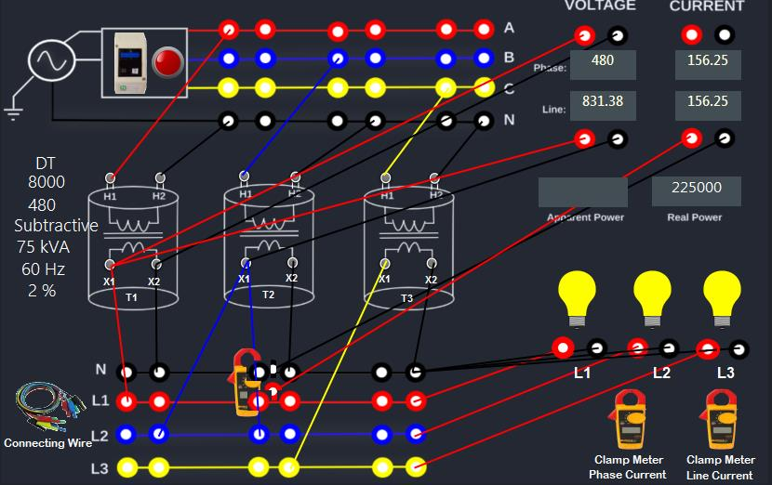
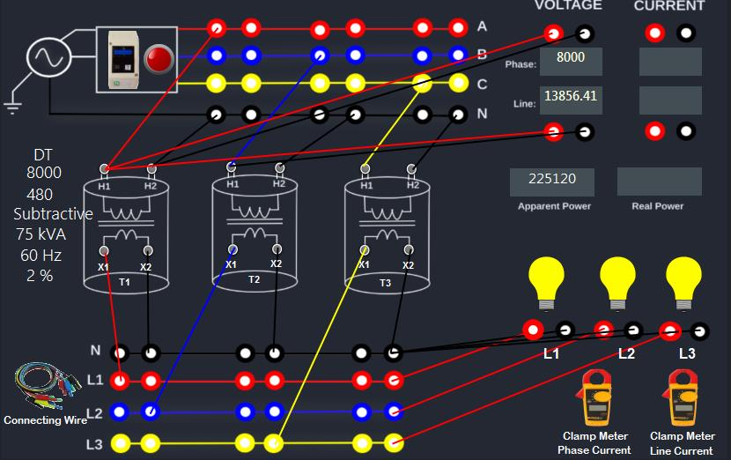

DATA AND RESULT

High Voltage or Primary Side | Line to Line Voltage | Phase Voltage | Line to Line Current | Phase Current |  | or Total Apparent power
Measured | 13856.41 | 8000 | 9.38 | 9.38 |  | 225120
Computed | 13856.41 | 8000 | 9.38 | 9.38 |  | 225120
%Difference | 0% | 0% | 0% | 0% |  | 0%

High Voltage or Primary Side | Line to Line Voltage | Phase Voltage | Line to Line Current | Phase Current |  | or Total Apparent power
Measured | 831.38 | 480 | 156.25 | 156.25 |  | 225000
Computed | 831.38 | 480 | 156.25 | 156.25 |  | 225000
%Difference | 0% | 0% | 0% | 0% |  | 0%

